bug1
 | Describtion
1. Bug Number | 011.2
2. Bug Title | PROD:obuvki.bg:WEB:MOB:HP:Header top bar:Phone button:The Phone button doesn’t work:
3. Priority | High
4. Severity | High
5.Test URL | https://www.obuvki.bg/
6. Platform | WEB, MOB-working,
7. OS | Windows, Android - working, IOS - working
8. Browser | Chrome, Safori - wotking
9. Resolution
10. Environment | Production
11. Test Data
12. Describtion | The Phone button in the header top bar doesn’t work. Redirect to page without any information
13. Step to Reproduce | 1. Open the page 2. Go to header top bar menu of the page. 3. Click on Phone button 4. Check the result
14. Actual Result | The phone button doesn’t work.There is no possibility to redirect to page with call access. Redirect to page without any information
15. Expected Result | This button ought to have possibility to redirect to page with phone information with possibility to make a call.
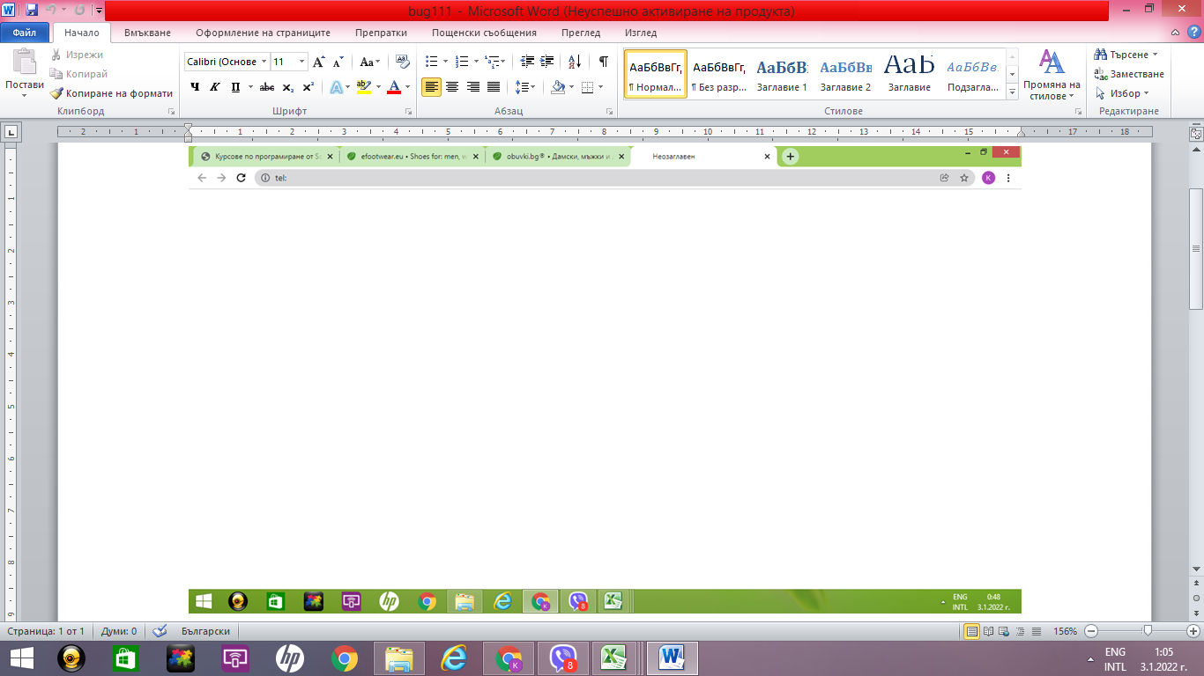 16. Prt Sc

bug2
 | Describtion
1. Bug Number | 011.10.4
2. Bug Title | PROD:obuvki.bg:WEB:MOB:HP:Header top bar:Search bar:Search with existing word from main menu "Аква"
3. Priority | Medium
4. Severity | Minor
5.Test URL | https://www.obuvki.bg/
6. Platform | WEB:MOB
7. OS | Windows, Android, IOS
8. Browser | Chrome, Safari
9. Resolution
10. Environment | Production
11. Test Data | Аква
12. Describtion | There is message for no available items, when searching with spesific word from main menu "Аква" - "There are no products matching the selection."
13. Step to Reproduce | 1. Open the page 2. Go to Search bar in the header top bar menu of the page. 3. Enter spesific word from main menu "Аква" 4. Check the result
14. Actual Result | The results is message for no available items - "There are no products matching the selection."
15. Expected Result | The results ought to be only items with the word "Аква" in describtion
16. Prt Sc | 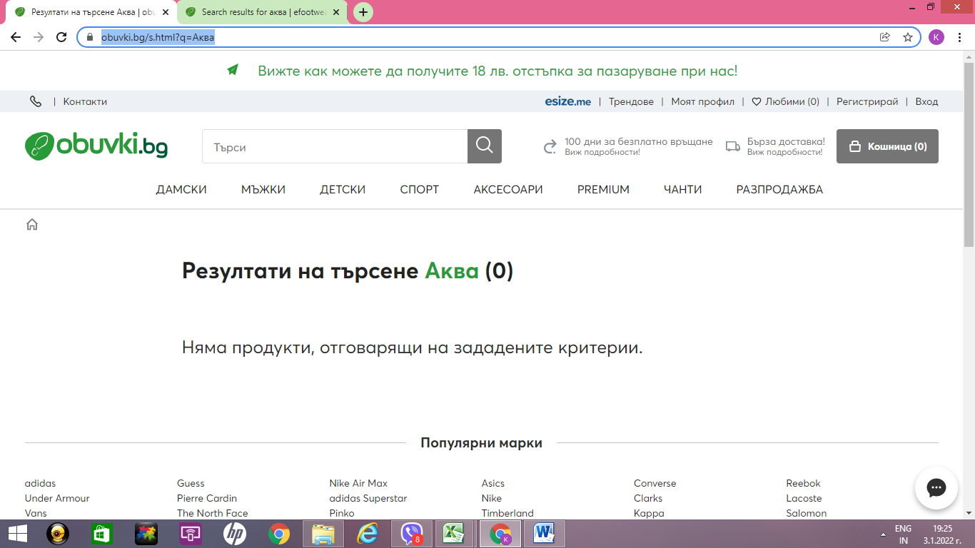

bug3
 | Describtion
1. Bug Number | 012.1
2. Bug Title | PROD:obuvki.bg:WEB:HP:Header top bar:"...18 лв. отстъпка за пазаруване…": Non stylized inscription in page Регламента на Промоцията Промокод - за услугата Бюлетин
3. Priority | Low
4. Severity | Low
5.Test URL | https://www.obuvki.bg/
6. Platform | WEB
7. OS | Windows
8. Browser | Chrome
9. Resolution
10. Environment | Production
11. Test Data
12. Describtion | Non stylized inscription in page Регламента на Промоцията Промокод - за услугата Бюлетин. There are words in Bulgarian and English in the inscription
13. Step to Reproduce | 1. Click on "...18 лв. отстъпка за пазаруване…" 3. Open the link Регламента на Промоцията Промокод - за услугата Бюлетин. 4. Check the inscription in the top of the page
14. Actual Result | The inscription in the top of the page is not stylized. There are words in Bulgarian and English in the inscription
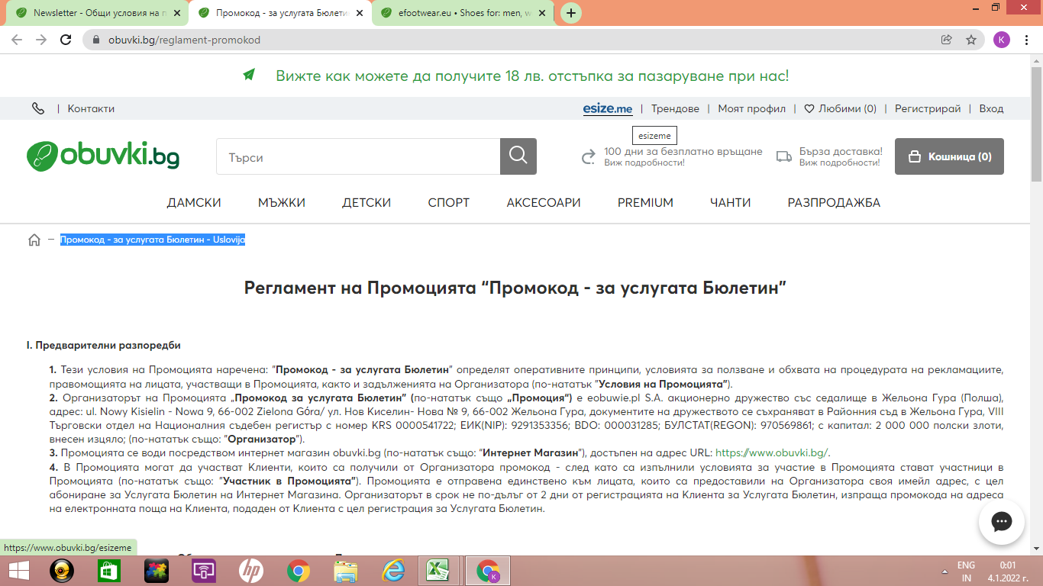
15. Expected Result | All the text in the page ought to be stylized
16. Prt Sc

bug4
 | Describtion
1. Bug Number | 021.4
2. Bug Title | PROD:obuvki.bg:WEB:MOB:HP:Main menu:"Обувки до глезена -Обувки на ток":Only items on high heal are shown
3. Priority | High
4. Severity | High
5.Test URL | https://www.obuvki.bg/
6. Platform | WEB:MOB
7. OS | Windows, Android, IOS
8. Browser | Chrome, Safari
9. Resolution
10. Environment | Production
11. Test Data
12. Describtion | The section "Обувки на ток" show only shoes with high heals, instead shoes with any tipe of heals
13. Step to Reproduce | 1. Navigate to sector "Дамски" in main menu of the site 2. Click on subsection "Обувки до глезена" 3. Click on part "Обувки на ток"
14. Actual Result | Thes section contains items, only with high Thin heals
15. Expected Result | All the results ought to contain shoes with any type of heals
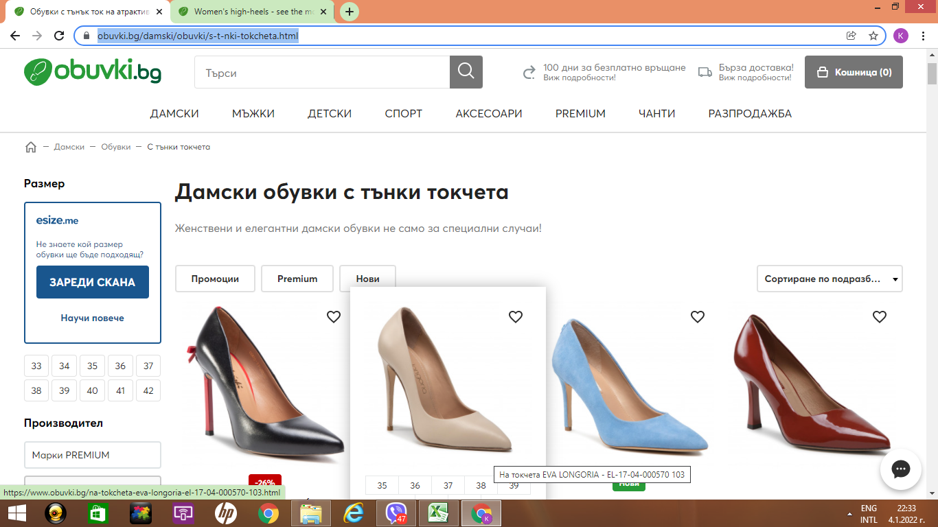
16. Prt Sc

bug5
 | Describtion
1. Bug Number | 021.9
2. Bug Title | PROD:obuvki.bg:WEB:MOB:HP:Main menu:part "Чехли":The part contais not only "Чехли"
3. Priority | High
4. Severity | High
5.Test URL | https://www.obuvki.bg/
6. Platform | WEB:MOB
7. OS | Windows, Android, IOS
8. Browser | Chrome, Safari
9. Resolution
10. Environment | Production
11. Test Data | "Чехли"
12. Describtion | The part "Чехли" contains "Пантофи" in it.
13. Step to Reproduce | 1. Navigate to sector "Дамски" in main menu of the site 2. Click on subsection "Отворени обувки" 3. Click on part "Чехли"
14. Actual Result | The section contains items, type Slippers /Чехли/ and Slippers /Пантофи/
15. Expected Result | All the results ought to contain only shoes type Slippers /Чехли/
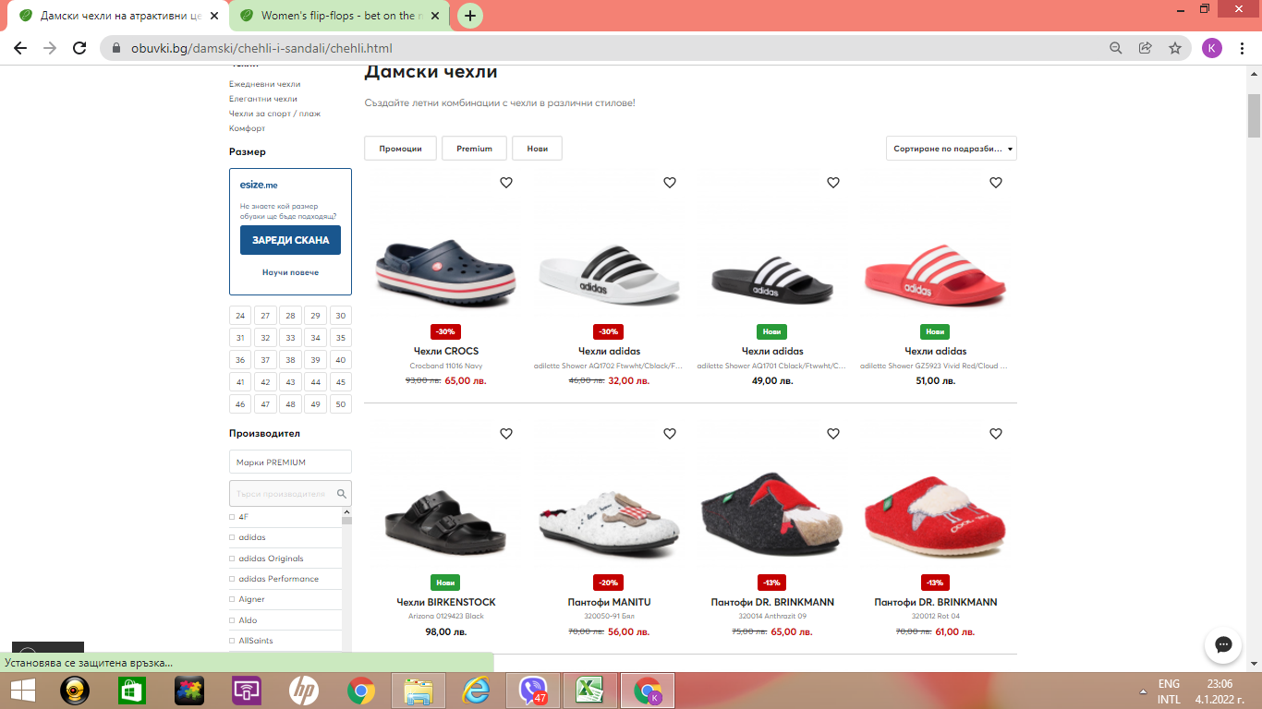
16. Prt Sc

bug6
 | Describtion
1. Bug Number | 022.1
2. Bug Title | PROD:obuvki.bg:WEB:MOB:HP:Main menu:Filter menu:functionality of sector "Размер" with size 39
3. Priority | Medium
4. Severity | Minor
5.Test URL | https://www.obuvki.bg/
6. Platform | WEB:MOB
7. OS | Windows, Android, IOS
8. Browser | Chrome, Safari
9. Resolution | 1366x768
10. Environment | Production
11. Test Data | Number 39
12. Describtion
13. Step to Reproduce | 1. Click on sector "Дамски" 2. Check from the filter "adidas" 3. Click on size 39 from filter
14. Actual Result | Sector "Размер" contain size 39 and list of many different sizes. The results contain shoes with number 39 and additional numbers /1/3, 2/3 for example
15. Expected Result | All the results ought to contain only shoes with size 39 brand Adidas. Sector "Размер" ought to contain only sizes with number 39
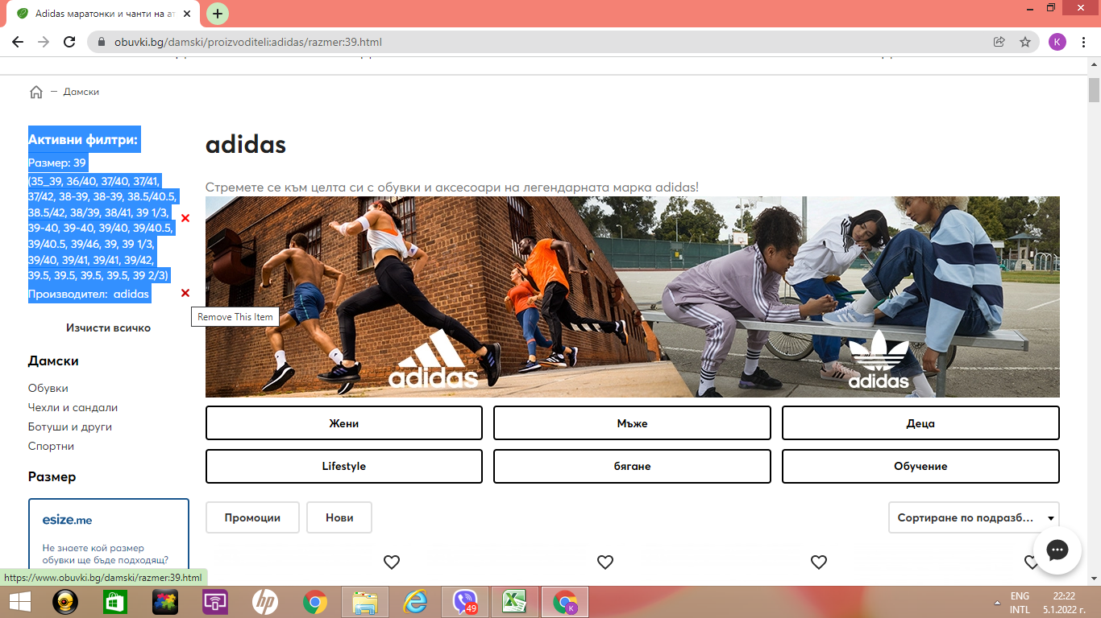
16. Prt Sc

bug7
 | Describtion
1. Bug Number | 022.5
2. Bug Title | PROD:obuvki.bg:WEB:MOB:HP:Filter menu:Sector "Разновидност на тока": Duplicated meaning and functionality of two filter buttons
3. Priority | Medium
4. Severity | Minor
5.Test URL | https://www.obuvki.bg/
6. Platform | WEB:MOB
7. OS | Windows, Android, IOS
8. Browser | Chrome, Safari
9. Resolution | 1366x768
10. Environment | Production
11. Test Data
12. Describtion | In sector " "Разновидност на тока" in filter menu there are two types of filters with the same meaning and functionality
13. Step to Reproduce | 1. Navigate to filter menu 2. Click on sector "Разновидност на тока" 3. Click on filter button "На платформа" 4. Click on filter button "Платформа"
14. Actual Result | There are two filter buttons with the same meaning and functionality "На платформа" and "Платформа"
15. Expected Result | There ought to be different meaning and functionality of filter buttons
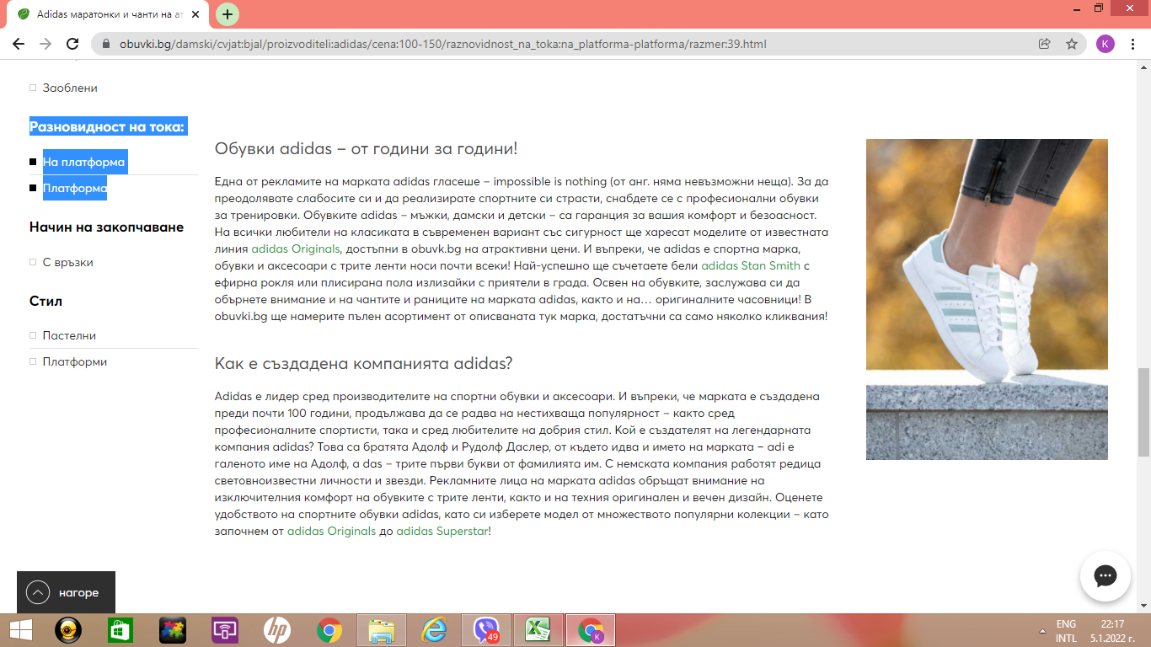
16. Prt Sc

bug8
 | Describtion
1. Bug Number | 003.6
2. Bug Title | PROD:obuvki.bg:WEB:MOB:Footer:"Информация":Sector "Връщане на продукти":No correspondence between question and redirected answer
3. Priority | Minor
4. Severity | Minor
5.Test URL | https://www.obuvki.bg/
6. Platform | WEB:MOB
7. OS | Windows, Android, IOS
8. Browser | Chrome, Safari
9. Resolution
10. Environment | Production
11. Test Data
12. Describtion | There is no correspondencce between question number 7 in "Най-често задавани въпроси за връщане" and redirected answer
13. Step to Reproduce | 1. Navigate to footer of the site "Информация" menu 2. Click on "Връщане на продукти" - additional inf 3. Click on "Най-често задавани въпроси за връщане" 4. Navigate to question number 7 - Мога ли да изпратя продукт без фомуляр за връщане? 5. Click on question number 7
14. Actual Result | There is no correspondsnce beween question "Мога ли да изпратя продукт без фомуляр за връщане?" and redirected ,question and answer "7. Възможно ли е да не получа сумата си обратно?
15. Expected Result | After clicking on question number 7, ought to be redirect to correspondance question and answer
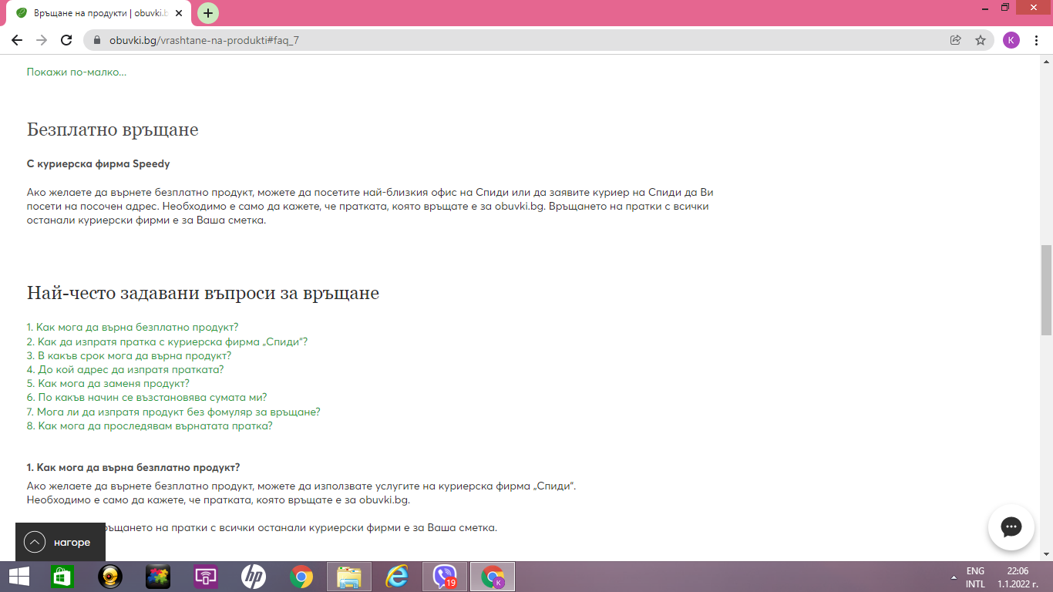
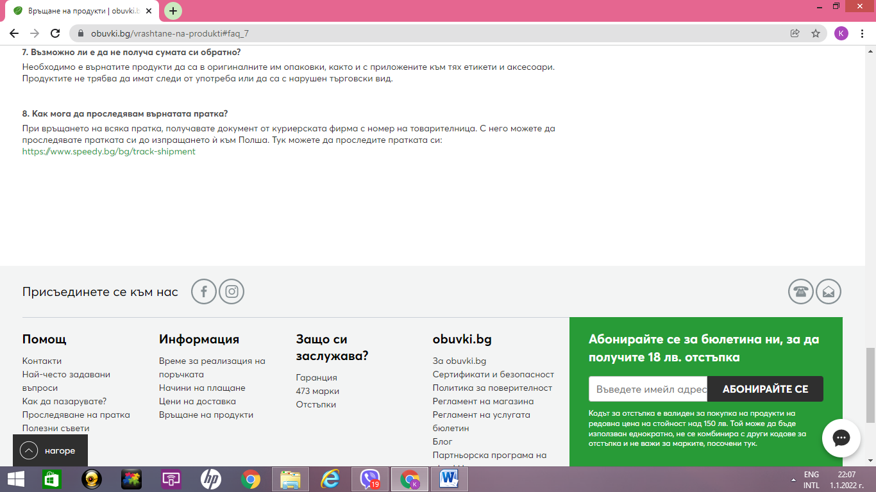
16. Prt Sc

bug9
 | Describtion
1. Bug Number | 003.8
2. Bug Title | PROD:obuvki.bg:WEB:MOB:Footer:"Защо си заслужава" :Sector "473 марки":Search with any brand /for examp. Clarks/ in Search form
3. Priority | High
4. Severity | High
5.Test URL | https://www.obuvki.bg/
6. Platform | WEB:MOB
7. OS | Windows, Android, IOS
8. Browser | Chrome, Safari
9. Resolution
10. Environment | Production
11. Test Data | Clarks
12. Describtion | Impossible search with search form in "473 марки" with any brand
13. Step to Reproduce | 1. Navigate to footer of the site, "Защо си заслужава" menu 2. Click on sector "473 марки" 3. Enter in search form brand Clarks 4. Click Enter or magnifying glass
14. Actual Result | There is no reaction of the system
15. Expected Result | After clicking enter or magnifying glass in the search form, ought to be redirection to brand Clarks
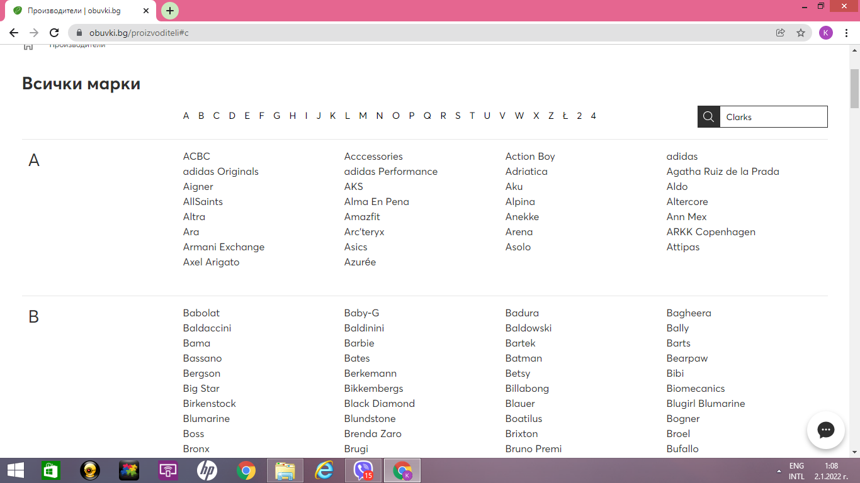
16. Prt Sc

bug10
 | Describtion
1. Bug Number | 003.11
2. Bug Title | PROD:obuvki.bg:WEB:MOB:Footer:"obuvki.bg" :Sector "Регламент на магазина":link in Final Provisions:404 Not existing page
3. Priority | Minor
4. Severity | Minor
5.Test URL | https://www.obuvki.bg/
6. Platform | WEB:MOB
7. OS | Windows, Android, IOS
8. Browser | Chrome, Safari
9. Resolution
10. Environment | Production
11. Test Data
12. Describtion | Not existing page in link in Final provisions in "Регламент на магазина"
13. Step to Reproduce | 1. Navigate to footer of the site "obuvki.bg" menu 2. Click on sector "Регламент на магазина" 3. Navigate to Final provisions 4. Click on the link URL: https://www.obuvki.bg/obschi-uslovija,
14. Actual Result | There is no information after clicking on the link in the part General conditions. The result is 404-The page is not exist.
15. Expected Result | After clicking on the link ought to be open the page with information about general conditions
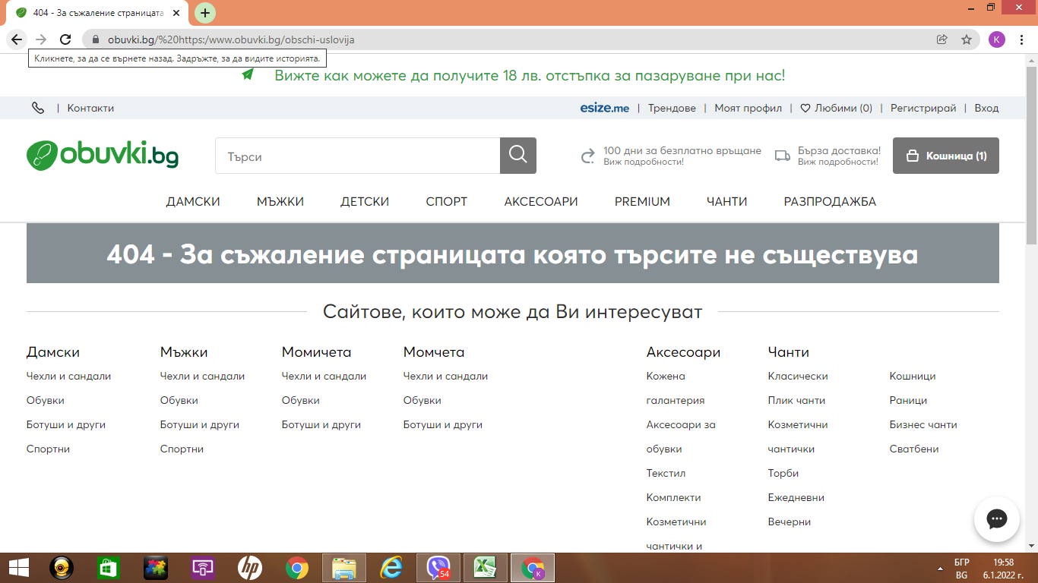
16. Prt Sc

bug11
 | Describtion
1. Bug Number | 003.2
2. Bug Title | PROD:obuvki.bg:WEB:MOB:HP:Footer menu:Sector "Свържете се с нас": Sending message with invalid data, without validation
3. Priority | High
4. Severity | High
5.Test URL | https://www.obuvki.bg/
6. Platform | WEB:MOB
7. OS | Windows, Android, IOS
8. Browser | Chrome, Safari
9. Resolution
10. Environment | Production
11. Test Data | 1. Name - 1 2. email 1@abv.bg 3. Phone - 1 4. Message - 1
12. Describtion | There is possibility to send message with invalid data and without validation in Contact form
13. Step to Reproduce | 1. Navigate to footer of the site 2. Click on "Контакти" in "Помощ" menu 3. Navigate to sector "Свържете се с нас" 4. Fill the form with test invalid data 5. Click on "Изпрати" button
14. Actual Result | There is massage for submitted inquiry.
15. Expected Result | There ought to receive a message that data is invalid. The message ought not be sent.
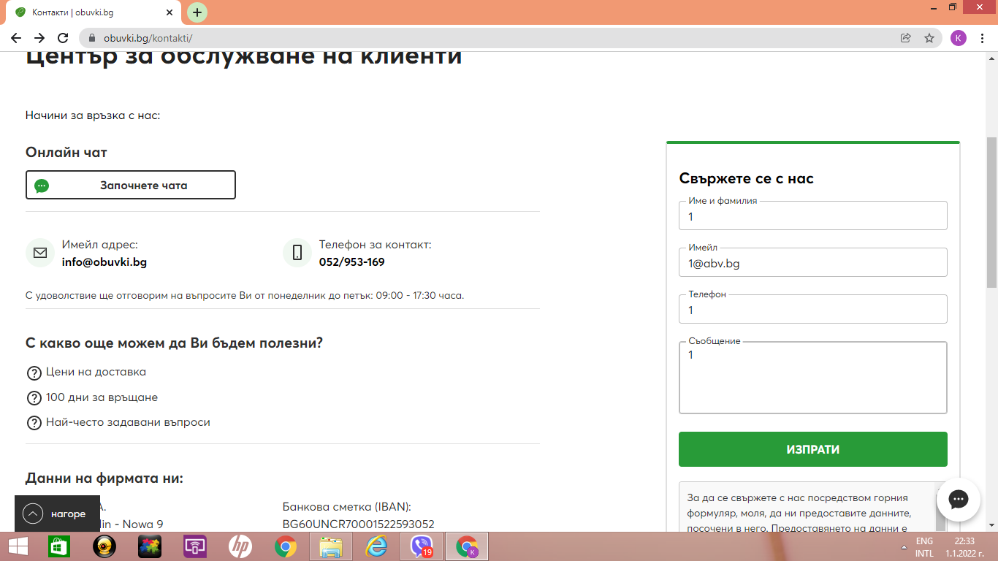
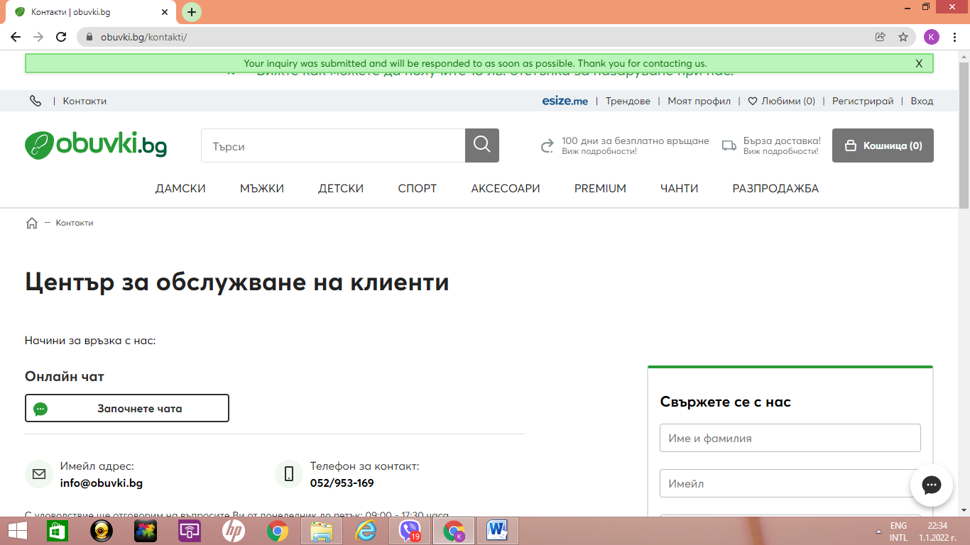
16. Prt Sc

bug12
 | Describtion
1. Bug Number | 003.12
2. Bug Title | PROD:obuvki.bg:WEB:MOB:HP:Footer menu:Sector "Регламент за използване на услугата esize.me":Not stylizated numbers of articles and subarticles
3. Priority | Low
4. Severity | Low
5.Test URL | https://www.obuvki.bg/
6. Platform | WEB:MOB
7. OS | Windows, Android, IOS
8. Browser | Chrome, Safari
9. Resolution
10. Environment | Production
11. Test Data
12. Describtion | Not stylizated numbers of articles and subarticles in "Регламент за използване на услугата esize.me"
13. Step to Reproduce | 1. Navigate to footer of the site "obuvki.bg" menu 2. Click on sector "Регламент за използване на услугата esize.me" 3. Navigate to article 2. subpoint 1. and 2.
14. Actual Result | The articles is not stylizated. Article 2. has subarticles /1.2./ with the same nomeration like articles
15. Expected Result | The articles ought to be stylizated. Articles and subarticles should be with diferent nomeration
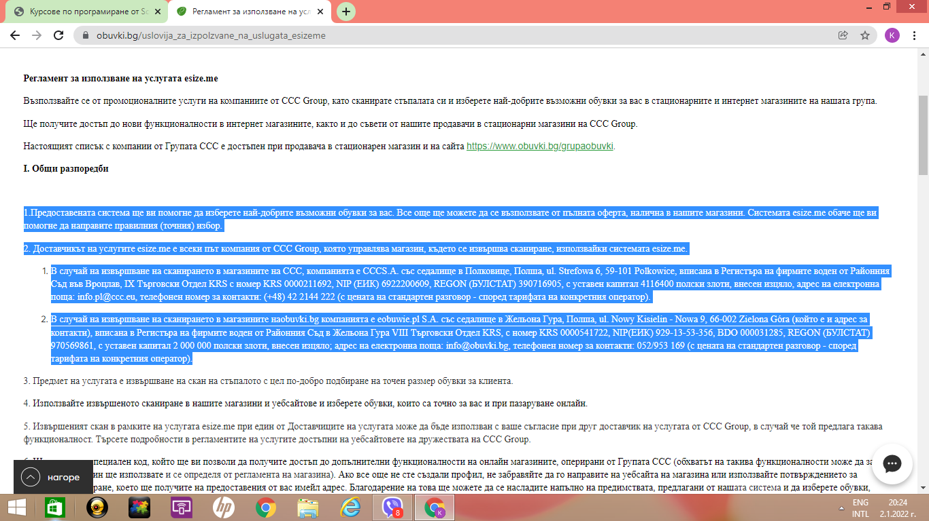
16. Prt Sc

bug13
 | Describtion
1. Bug Number | 003.13
2. Bug Title | PROD:obuvki.bg:WEB:MOB:HP:Footer menu:Sector "abonament sms esize.me": Bulgarian meaning with english letters
3. Priority | Low
4. Severity | Low
5.Test URL | https://www.obuvki.bg/
6. Platform | WEB:MOB
7. OS | Windows, Android, IOS
8. Browser | Chrome, Safari
9. Resolution
10. Environment | Production
11. Test Data
12. Describtion | Not stylizate neme of sector "abonament sms esize.me"
13. Step to Reproduce | 1. Navigate to footer of the site "obuvki.bg" menu 2. Navigate to sector "abonament sms esize.me"
14. Actual Result | The name of the sector is not stylizate. There is bulgarian meaning with english letters
15. Expected Result | The name of the sector ought to be stylizate
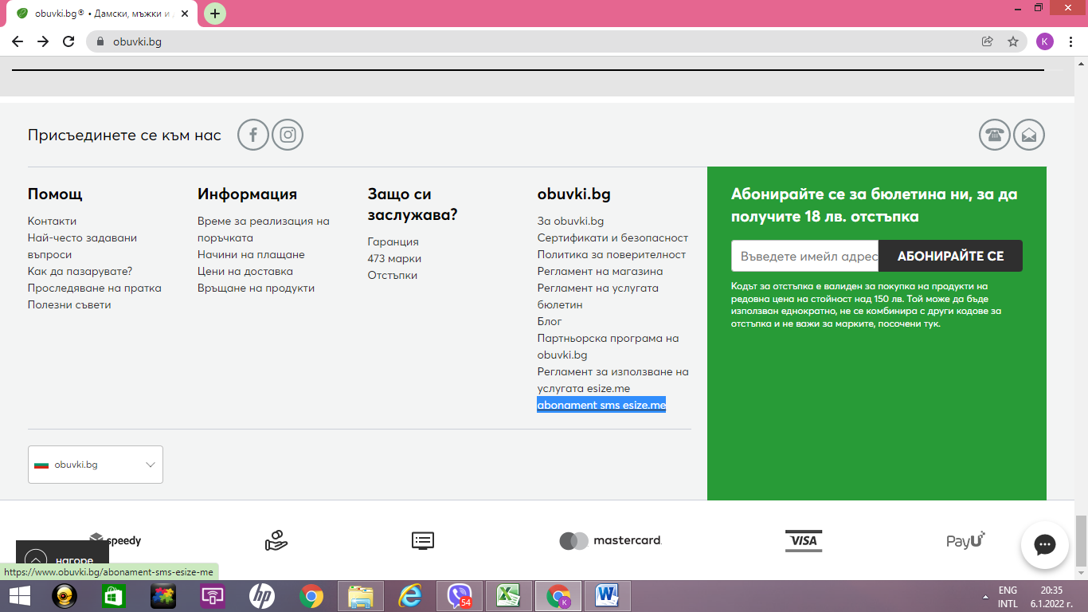
16. Prt Sc

bug14
 | Describtion
1. Bug Number | 011.13
2. Bug Title | PROD:obuvki.bg:WEB:MOB:HP:Header:"Кошница":Buy item without registration and with invalid personal data
3. Priority | High
4. Severity | High
5.Test URL | https://www.obuvki.bg/
6. Platform | WEB:MOB
7. OS | Windows, Android
8. Browser | Chrome
9. Resolution
10. Environment | Production
11. Test Data | email fvgfvgffghffvgvggv@abv.bg 1. Name - 1 2. Family name - 1 3. GSM - 359111111111 4. Str - 1 5. Nr - 1 6. Post code 1000
12. Describtion | There is a posibility to make a purchase with invalid email, name, GSM, Str, Nr and valid Post code
13. Step to Reproduce | 1. Navigate to item in sector "Дамски" 2. Choose the size 3. Click on add to basket 4. Navigate to basket 5. Click on basket button 6. Click on button "Към касата" 7. Fill the invalid personal information from Test Data 8. Click on button Order and Pay
14. Actual Result | The purchase with invalid data is posible. There is no message for invalid data. There is a message for successful purchase.
15. Expected Result | There ought to be validation for personal data. There ought to be message for invalid data and impossibility for purchase
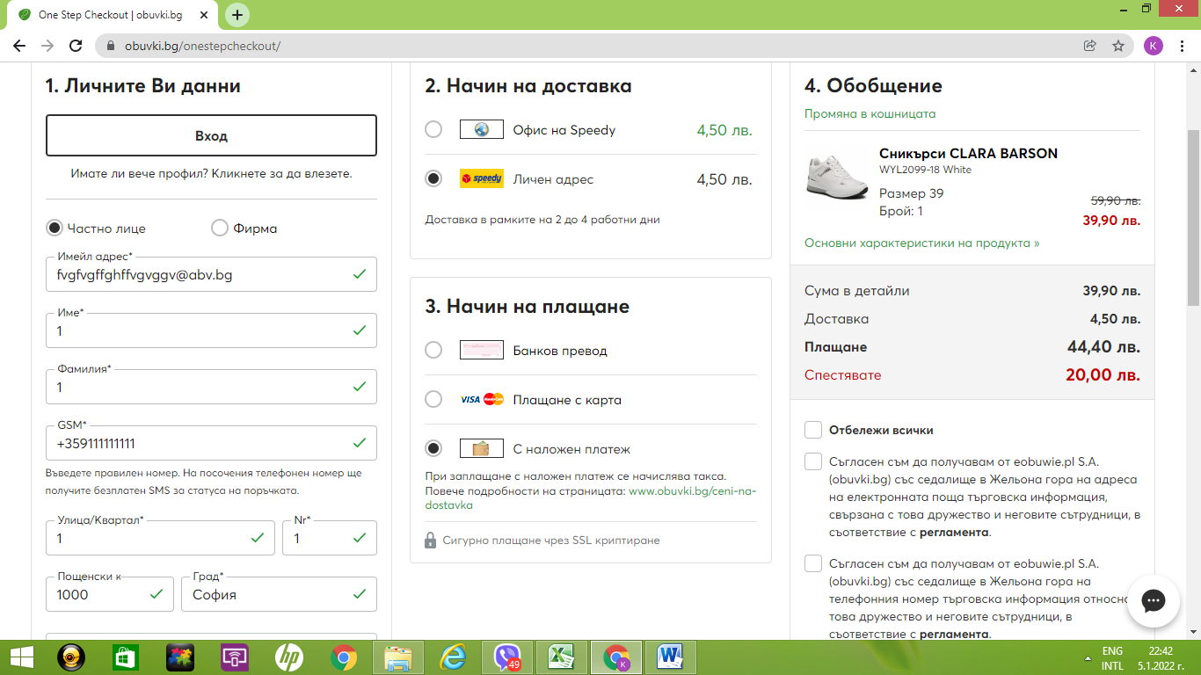
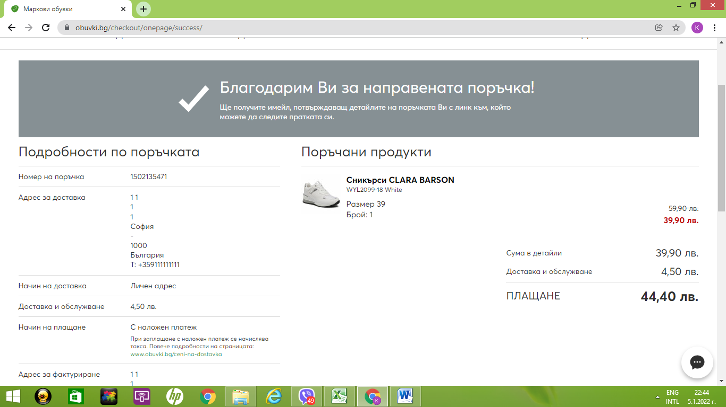
16. Prt Sc

